ParityBits_PasteValues_Easy
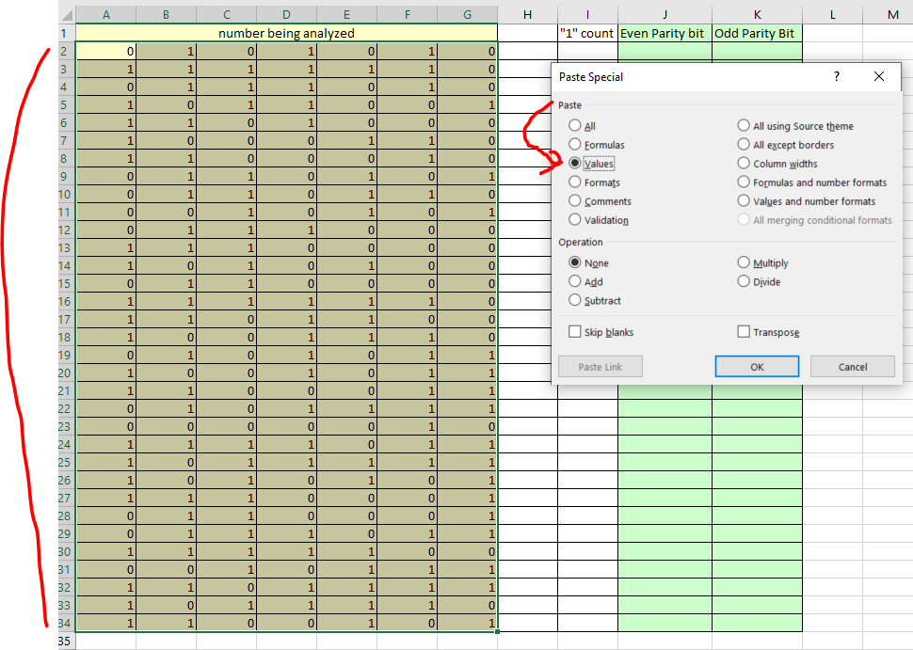
number being analyzed |  |  |  |  |  |  | "1" count | Even Parity bit | Odd Parity Bit
0 | 1 | 0 | 1 | 0 | 1 | 0 | 3 | 1 | 0
1 | 1 | 1 | 1 | 1 | 1 | 0 | 6 | 0 | 1
1 | 1 | 0 | 1 | 1 | 1 | 1 | 6 | 0 | 1
1 | 0 | 1 | 0 | 1 | 0 | 0 | 3 | 1 | 0
0 | 1 | 1 | 0 | 1 | 0 | 0 | 3 | 1 | 0
1 | 1 | 1 | 1 | 1 | 1 | 0 | 6 | 0 | 1
0 | 1 | 0 | 0 | 1 | 1 | 0 | 3 | 1 | 0
0 | 1 | 1 | 0 | 1 | 1 | 1 | 5 | 1 | 0
0 | 1 | 1 | 0 | 0 | 0 | 1 | 3 | 1 | 0
1 | 0 | 1 | 1 | 0 | 1 | 0 | 4 | 0 | 1
0 | 0 | 0 | 1 | 0 | 1 | 1 | 3 | 1 | 0
1 | 0 | 0 | 1 | 1 | 1 | 0 | 4 | 0 | 1
1 | 1 | 1 | 0 | 0 | 0 | 1 | 4 | 0 | 1
0 | 0 | 0 | 0 | 1 | 0 | 0 | 1 | 1 | 0
1 | 0 | 1 | 1 | 0 | 0 | 0 | 3 | 1 | 0
0 | 1 | 1 | 1 | 1 | 1 | 1 | 6 | 0 | 1
0 | 1 | 0 | 1 | 0 | 0 | 0 | 2 | 0 | 1
1 | 0 | 1 | 0 | 1 | 0 | 0 | 3 | 1 | 0
1 | 1 | 0 | 1 | 1 | 0 | 1 | 5 | 1 | 0
0 | 0 | 1 | 0 | 0 | 0 | 0 | 1 | 1 | 0
1 | 1 | 1 | 0 | 0 | 1 | 1 | 5 | 1 | 0
1 | 0 | 0 | 1 | 0 | 0 | 1 | 3 | 1 | 0
0 | 1 | 0 | 1 | 1 | 0 | 0 | 3 | 1 | 0
0 | 1 | 1 | 0 | 1 | 0 | 1 | 4 | 0 | 1
0 | 1 | 1 | 1 | 1 | 1 | 1 | 6 | 0 | 1
0 | 1 | 1 | 1 | 0 | 0 | 0 | 3 | 1 | 0
1 | 1 | 0 | 0 | 0 | 1 | 0 | 3 | 1 | 0
1 | 0 | 0 | 0 | 1 | 1 | 1 | 4 | 0 | 1
0 | 1 | 0 | 1 | 0 | 0 | 1 | 3 | 1 | 0
1 | 1 | 1 | 1 | 0 | 0 | 1 | 5 | 1 | 0
0 | 0 | 0 | 0 | 1 | 0 | 0 | 1 | 1 | 0
1 | 0 | 1 | 1 | 1 | 0 | 1 | 5 | 1 | 0
0 | 1 | 0 | 0 | 0 | 1 | 0 | 2 | 0 | 1

